Sheet1
 |  |  |  | REV | DESCRIPTION OF REVISION | ECN No. | BY | DATE | APPROVED
 |  |  |  | Rv01 | N/A | N/A | J.Wang | 2013-05-19 | Karl Pan
TECHNICAL DATA

■Electrical data
Impedance | 75Ω
Frequency range | 0～1GHz
Withstand Voltage | 1500V rms
Working Voltage | 500V
VSWR
Straight | ≤ 1.22
Rigth Angle | ≤ 1.3
Contact resistance
-center contact | ≤1.5mΩ
-outer contact | ≤1mΩ
Insulation resistance | ≥5000MΩ

■Mechanical data
Temperature range | -55°C～+155°C
Durability(matings) | ＞500

■Material data
Piece Part | Base Material | Plating
Body | Brass | Nickel plated
Center conductor | Brass | Gold plated
Insulator | PTFE
O-ring sealing | 6146 silastic
Crimping suite | Copper alloy | Nickel plated

■Interface Standards
IEC 60169-16 /MIL-C-39012/CECC22210
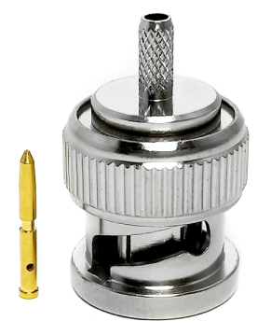 |  |  | 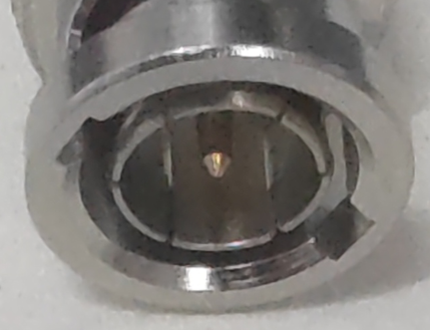

 |  |  | BNC male
 |  |  |  | Part Name:
 |  |  |  | BNC male for RG174

NOTES: |  |  |  |  |  | DIMENSIONS IN MILLIMETERS(mm)
1.ALL SPECIFICATIONS ARE SUBJECT TO CHANGE WITH NOTICE AT ANY TIME 2.CUSTOMER OUTLINE DRAWING FOR REFERENCE ONLY |  |  |  | WT24D3.640.1907-1 |  | SIZE: A4 | SCALE: 4:1 | SHEET: 1/1 | REV: A

