Sheet1
 |  |  |  | REV | DESCRIPTION OF REVISION | ECN No. | BY | DATE | APPROVED
 |  |  |  | Rv01 | N/A | N/A | J.Wang | 2013-05-19 | Karl Pan
TECHNICAL DATA

■Electrical data
Impedance | 50Ω
Frequency range | 0～3GHz
Withstand Voltage | 335V rms
Working Voltage | 1000V
VSWR | ≤ 1.1
Contact resistance
-center contact | ≤3mΩ
-outer contact | ≤2mΩ
Insulation resistance | ≥5000MΩ

■Mechanical data
Temperature range | -55°C～+155°C
Durability(matings) | ＞500

■Material data
Piece Part | Base Material | Plating
Body | Brass | Nickel plated
Center conductor | Brass | Gold plated
Insulator | PTFE

■Interface Standards
IEC 60169-16 /MIL-C-39012/CECC22210
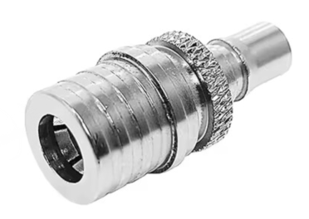 |  |  | 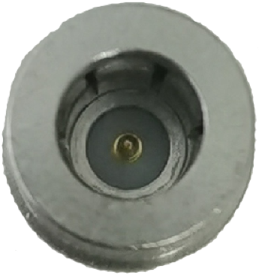 |  |  |  |  | 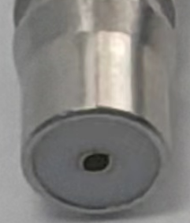

 |  |  | QMA male |  |  |  |  | QMA female
 |  |  |  | Part Name:
 |  |  |  | QMA male to QMA female adapter

NOTES: |  |  |  |  |  | DIMENSIONS IN MILLIMETERS(mm)
1.ALL SPECIFICATIONS ARE SUBJECT TO CHANGE WITH NOTICE AT ANY TIME 2.CUSTOMER OUTLINE DRAWING FOR REFERENCE ONLY |  |  |  | WT25D3.640.2408 |  | SIZE: A4 | SCALE: 4:1 | SHEET: 1/1 | REV: A

